1A
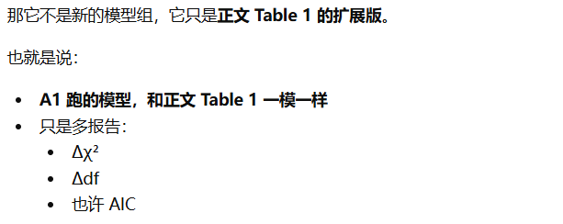
Table A1. Expanded Multilevel Confirmatory Factor Analyses for the Core Constructs
Model | Within-level factor structure | Between-level factor structure | χ² | df | CFI | TLI | RMSEA | SRMRwithin | SRMRbetween | AIC | Δχ² | Δdf
Hypothesized model | BE, ME, and THR as three separate factors | AL and EL as two separate factors | 528.4 | 187 | 0.961 | 0.953 | 0.046 | 0.039 | 0.048 | 19345.2 | — | —
Alternative model 1 | BE and ME combined; THR separate | AL and EL separate | 618.7 | 191 | 0.946 | 0.937 | 0.054 | 0.046 | 0.054 | 19437.1 | 90.3 | 4
Alternative model 2 | BE, ME, and THR separate | AL and EL combined | 657.3 | 191 | 0.941 | 0.931 | 0.057 | 0.049 | 0.057 | 19479.6 | 128.9 | 4
Alternative model 3 | BE and ME combined; THR separate | AL and EL combined | 812.2 | 195 | 0.916 | 0.902 | 0.066 | 0.057 | 0.065 | 19628.7 | 283.8 | 8
Alternative model 4 | BE, ME, and THR combined | AL and EL separate | 1024.5 | 196 | 0.886 | 0.866 | 0.078 | 0.069 | 0.082 | 19836.3 | 496.1 | 9

